Sheet2
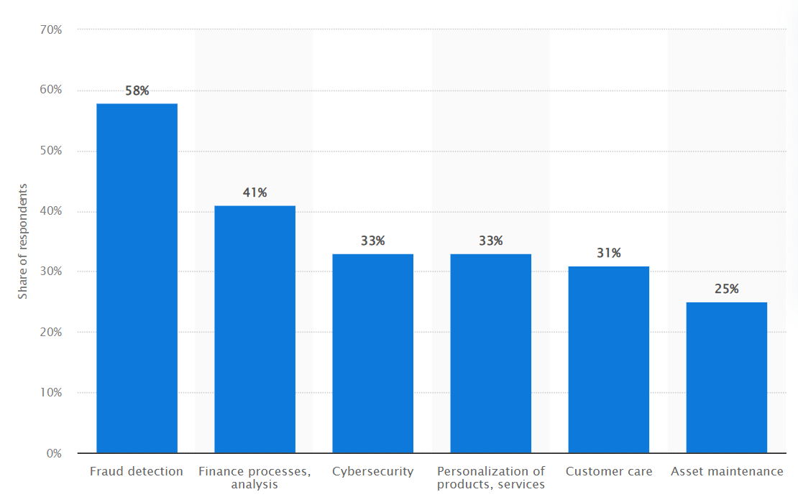
Services | Uce cases
Fraud Detection | 58%
Finance Processes, Analysis | 41%
Cybersecurity | 33%
Personalisation of Products, Services | 33%
Customer Care | 31%
Asset Maintenance | 25%
AI use cases in financial services industry worldwide as of 2020

